Sheet6
Row Labels | Sum of 2017 | Sum of 2018 | Sum of 2019 | Sum of 2020 | Sum of 2021
No | 146797 | 179179 | 217296 | 249192 | 276562
Yes | 43179 | 63816 | 71153 | 101042 | 132632
Grand Total | 189976 | 242995 | 288449 | 350234 | 409194

Sheet2
Sales by account type and year
Row Labels | Sum of 2017 | Sum of 2018 | Sum of 2019 | Sum of 2020 | Sum of 2021
Medium Business | 46025 | 65032 | 77731 | 89595 | 102185
Online Retailer | 47259 | 67275 | 79646 | 102065 | 112270
Small Business | 51804 | 60121 | 60760 | 75991 | 94147
Wholesale Distributor | 44888 | 50567 | 70312 | 82583 | 100592
Grand Total | 189976 | 242995 | 288449 | 350234 | 409194

Sheet3
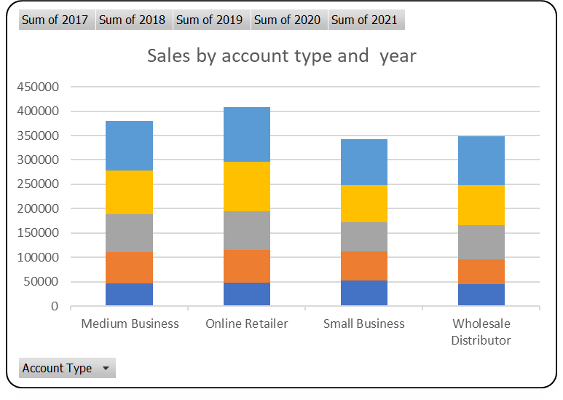
 | Sum of 2017 | Sum of 2018 | Sum of 2019 | Sum of 2020 | Sum of 2021
No | 146797 | 179179 | 217296 | 249192 | 276562
Yes | 43179 | 63816 | 71153 | 101042 | 132632

